Order Sheet (with SubT.)
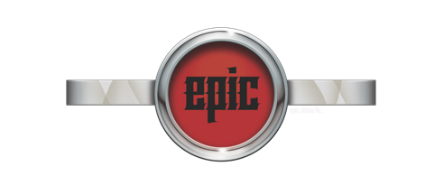
ORDER FORM:
DATE: ______________
DELIVER TO: AS ABOVE________________ ORDER NO.: ___________________

BARCODE | CODE | DESCRIPTION | QTY(unit) | COST | TOTAL
9342615015125 | DD7031 | CORGI | 0 | $2.45 | $0.00
9342615015132 | DD7037 | TERRIER | 0 | $2.45 | $0.00
9342615015149 | DD7035 | POODLE | 0 | $2.45 | $0.00
9342615015156 | DD7034 | POMERANIAN | 0 | $2.45 | $0.00
9342615015163 | DD7031 | BERNESE | 0 | $2.45 | $0.00
9342615013206 | DD7010 | BULL TERRIER | 0 | $2.45 | $0.00
9342615013169 | DD7006 | LAB | 0 | $2.45 | $0.00
9342615013176 | DD7006 | AUS SHEPARD | 0 | $2.45 | $0.00
9342615013183 | DD7007 | CATTLE DOG | 0 | $2.45 | $0.00
9342615013190 | DD7008 | BEAGLE | 0 | $2.45 | $0.00
9342615013206 | DD7009 | BULL TERRIER | 0 | $2.45 | $0.00
9342615013213 | DD7010 | ROTTIE | 0 | $2.45 | $0.00
9342615013220 | DD7011 | DOXIE | 0 | $2.45 | $0.00
9342615013237 | DD7012 | DOBIE | 0 | $2.45 | $0.00
9342615013244 | DD7013 | CHIHUAUA | 0 | $2.45 | $0.00
9342615013251 | DD7014 | BOXER | 0 | $2.45 | $0.00
9342615013268 | DD7015 | BORDER COLLIE | 0 | $2.45 | $0.00
9342615013275 | DD7016 | FRENCHIE | 0 | $2.45 | $0.00
9342615013282 | DD7017 | SHI TZU | 0 | $2.45 | $0.00
9342615013299 | DD7018 | KELPIE | 0 | $2.45 | $0.00
9342615013305 | DD7019 | PITTIE | 0 | $2.45 | $0.00
9342615013312 | DD7020 | JACK RUSSELL | 0 | $2.45 | $0.00
9342615013336 | DD7021 | HUSKY | 0 | $2.45 | $0.00
9342615013343 | DD7022 | GERMAN SHEPARD | 0 | $2.45 | $0.00
9342615013350 | DD7023 | STAFFIE | 0 | $2.45 | $0.00
9342615013367 | DD7024 | GOLDIE | 0 | $2.45 | $0.00
9342615013374 | DD7025 | PUG | 0 | $2.45 | $0.00
9342615013381 | DD7026 | SPANIEL | 0 | $2.45 | $0.00
9342615013398 | DD7027 | BULLIE | 0 | $2.45 | $0.00
9342615013404 | SHS112 | PAW PRINTS | 0 | $2.45 | $0.00
Email orders to: sales@coolepicstuff.com
Phone (818) 896-0986
Re-order Free shipping with minimum of $100
 |  |  | S/TOTAL |  | $0.00
 |  |  |  |  | $0.00
 |  |  | FREIGHT
 |  |  | TOTAL |  | $0.00

